Dashboard
NIGERIA CAR MARKET

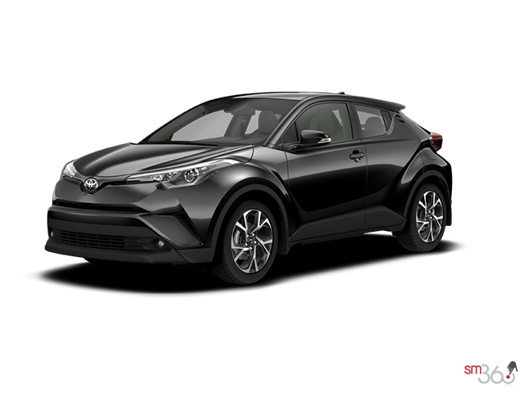

AVERAGE VEHICLE METRICS; NIGERIAN CAR MARKET
Location; Nigeria, Africa

₦4.0M
₦4.0M
28.6K
(Km)
209
3.1K
(Hp)
(CC)
Price
Mileage
Horse Power
Engine Size

Top 10 Most Popoular Car Model in Nigeria
 | Total
Acura | 43
Ford | 110
Honda | 291
Hyundai | 75
Kia | 51
Lexus | 235
Mercedes-Benz | 201
Nissan | 95
Peugeot | 45
Toyota | 938
Volkswagen | 43

 | Total
Beige | 14
Black | 621
Blue | 278
Brown | 38
Gold | 133
Gray | 409
Green | 88
Red | 150
Silver | 397
White | 205
Top pick for Nigerian Cars by Color

 | Total
Automatic | 2214
Manual | 142
Drivers Choices by Transmission

Insights on Pricing, Mileage, and Performance: Sourced from Car45.com

